Sheet1
Assignment - 1 | Select only the most recent order(s) in our orders table.
Create Orders Table:
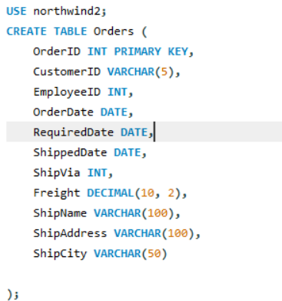

Insert rows into Orders table:

Query

Result

Assignment - 2 | Select all records from the suppliers table where there is at least one record in the orders table with the same supplier_id. (Use Exists Operator)
Create Suppliers Table:
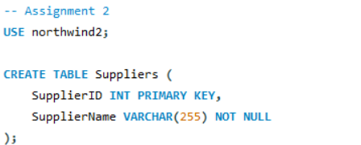

Insert rows into Suppliers Table:
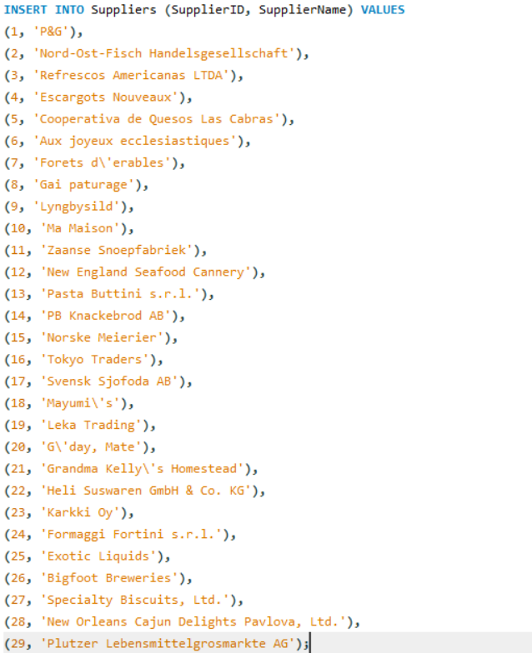

Create Ordersdemo Table:
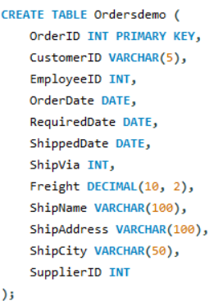

Insert rows into Ordersdemo Table:

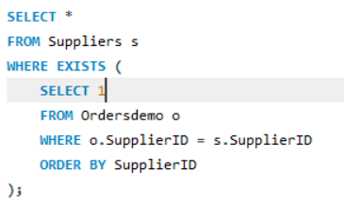
Query

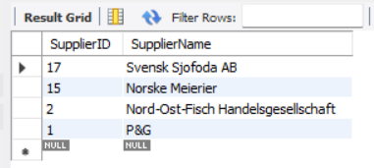
Result

Assignment - 3 | Select all records from the suppliers table where there are no records in the orders table for the given supplier_id.

 | Same tables are used as in assignment 2

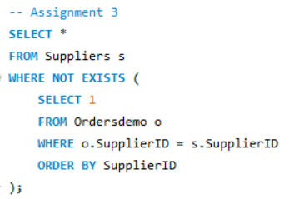
Query

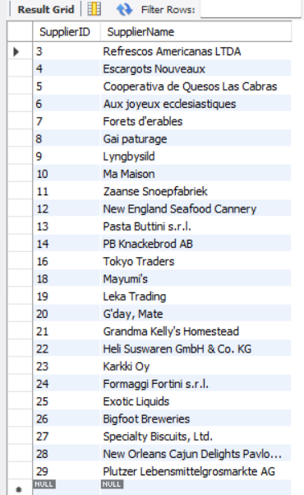
Result

Assignment - 4 | Display list of customers, together with the value of the most expensive item each has purchased.
 | Use table : Customers, Orders, Order Details
 | Order value = Order Detail.Unitprice * Order Detail.Quantity - Discount (If Applicable)
Create Customers Table and Insert rows into it:
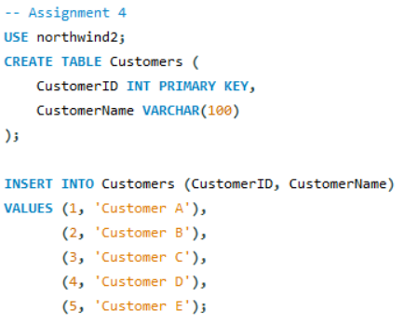

Create Orders1 Table and Insert rows into it:
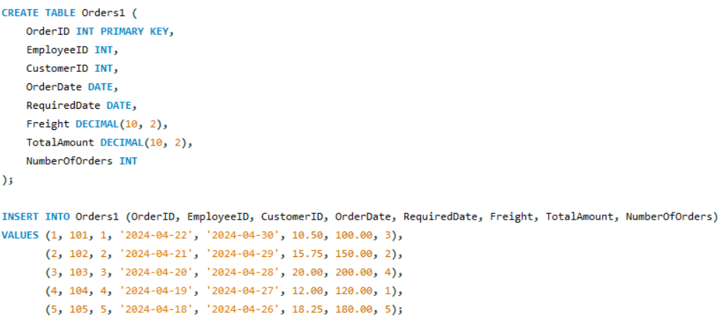

Create OrderDetails Table and Insert rows into it:
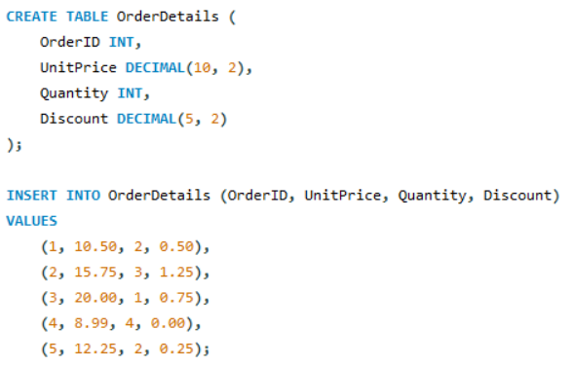

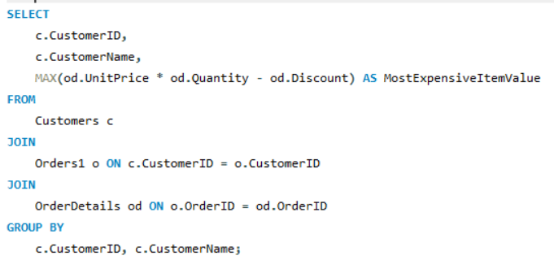
Query

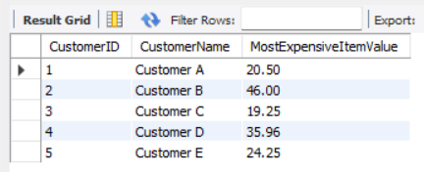
Result

Assignment - 5 | Create new table called Employee_Temp.
 | Create two columns firstname and last name
 | Insert all firstname, lastname from employees table to Employee_Temp table

Create Emlpoyees table and insert rows into it:
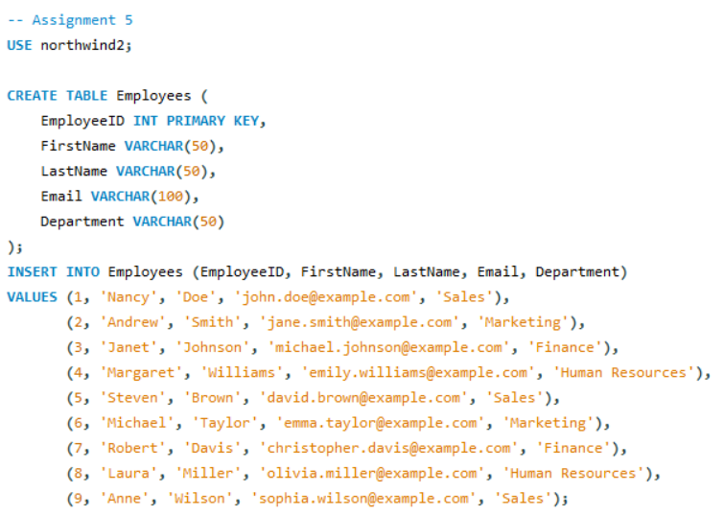

Create Employee_Temp Table:
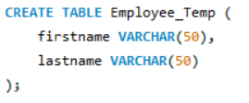

Query

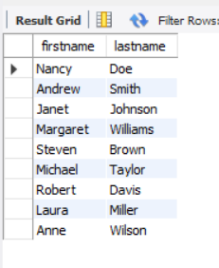
Result

 |  | THE END

